daa_creator
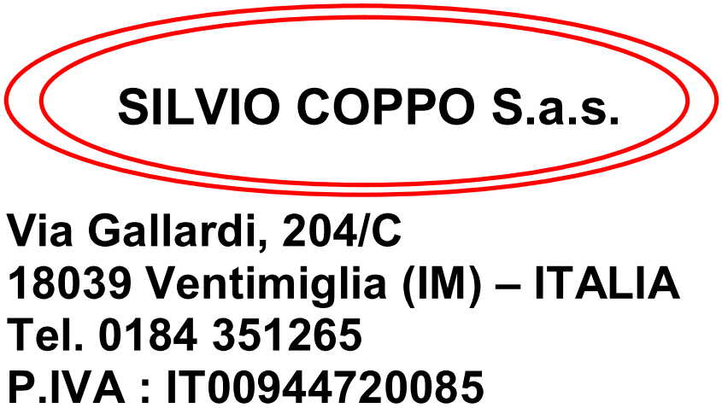
SALVA DAA
 |  |  |  |  |  |  |  |  |  | Destinatario : |  |  |  |  | CISANO

 |  |  |  |  |  |  |  |  |  |  | RADEBERGER GROUP SPA
 |  |  |  |  |  |  |  |  |  |  | Via Renata Bianchi 40
 |  |  |  |  |  |  |  |  |  |  | 16152 GENOVA (GE)
 |  |  |  |  |  |  |  |  |  |  | P. IVA 00276790102

BOLLA ACCOMPAGNAMENTO N. | 8 |  | DEL | 16/01/2024 |  | VS. RIF. DM |  | 002-29

Descrizione Articolo | Casse | Q.tà | Peso Netto | Peso Lordo | plt | Litri Idrati | HL/Gplato | G. Plato | Accisa | Aliquota | Capacità | Taric | CPA | Nomencl.
EX11SRB6 - ESTRELLA DAMM BCN 4,6 1/1 SR BANDEJA 6U. | 760 | 4,560 | 4,598.30 | 7,052.00 | 0 | 4,560.00 | 487.920 | 10.70 | 1,458.88 | 2.99 | 1.00 |  | B000 | 22030001
EX20N - ESTRELLA DAMM BCN 4,6 BARRIL 20L. | 60 | 60 | 1,217.40 | 1,648.94 | 0 | 1,200.00 | 128.400 | 10.70 | 383.92 | 2.99 | 20.00 |  | B000 | 22030010
EC13P6 - DAURA DAMM 1/3 SR PACK CESTA ABIERTA 2X3 | 486 | 11,664 | 3,889.92 | 7,059.13 | 0 | 3,849.12 | 504.235 | 13.10 | 1,507.66 | 2.99 | 0.33 |  | B000 | 22030001
ID34SRB6 - INEDIT DAMM 3/4 SR BANDEJA 6U. INTL | 72 | 432 | 327.43 | 620.58 | 0 | 324.00 | 37.260 | 11.50 | 111.41 | 2.99 | 0.75 |  | B000 | 22030001

TOTALE COLLI | 1,378 | 16,716 | 10,033.05 | 16,380.65 |  | 9,933.12 | 1,157.815 |  | 3,461.87

Luogo di destinazione :
EREDI PEIRANO SAS C/O CAGNOLO TRASPORTI
VIA BENESSA, 14 - 17035 CISANO SUL NEVA (SV)

Vettore : |  |  |  |  | FIRMA VETTORE
CAMEZZANA EZIO E C SNC
VIA MONTE PASUBIO 55
15067 NOVI LIGURE (AL) |  |  |  |  | ------------------------------------------------------------
Trasporto a cura del destinatario

Data e ora dell'inizio trasporto : |  | H.

